Sheet1
Cl Dose |  |  | ADD ALL

CBWTP |  | Disregard

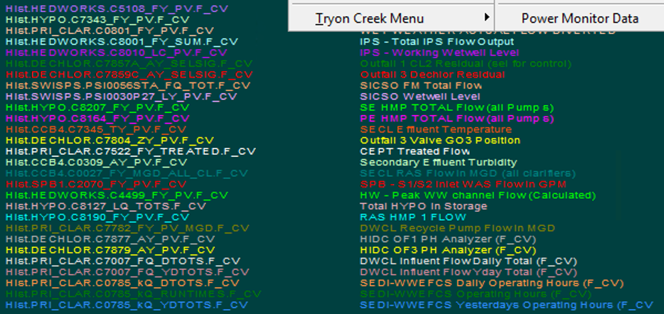

ferric |  | ADD all except TOTS (include YDTOTS)

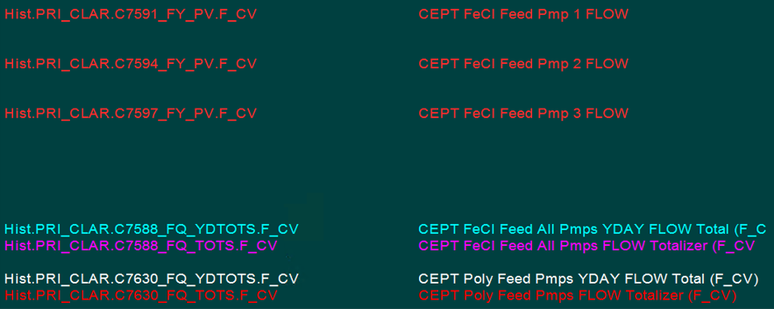

Resid |  | Disregard

TSS |  | Add 5 TSS and Polymer Dose (Ferric dose included in original)

Gate |  | Add G01 and G03
 |  | (crossover on starting HT)

SBS3 |  | ADD BOTH

SBS1 |  | ADD BOTH

HW PH and temp |  | Disregard

WWCL level |  | ADD ALL

New Resid |  | ALL residuals are NEEDED (three SO3 resdiuals could be replaced be replaced with center select if available) pH already included in original

pH Overview |  | ALL OF THESE ARE NEEDED, start with this as base of new HT
 |  | ADD FLOW PV for 7007 (combined DW FLOW), 5107 (HW FLOW) and 4499 (BYPASS FLOW)

MB1 and 3 pH and Cl2 |  | ADD all but crossed out

 | vvvvvvvvvvvvvvvvvvvvvvv

